Evidence
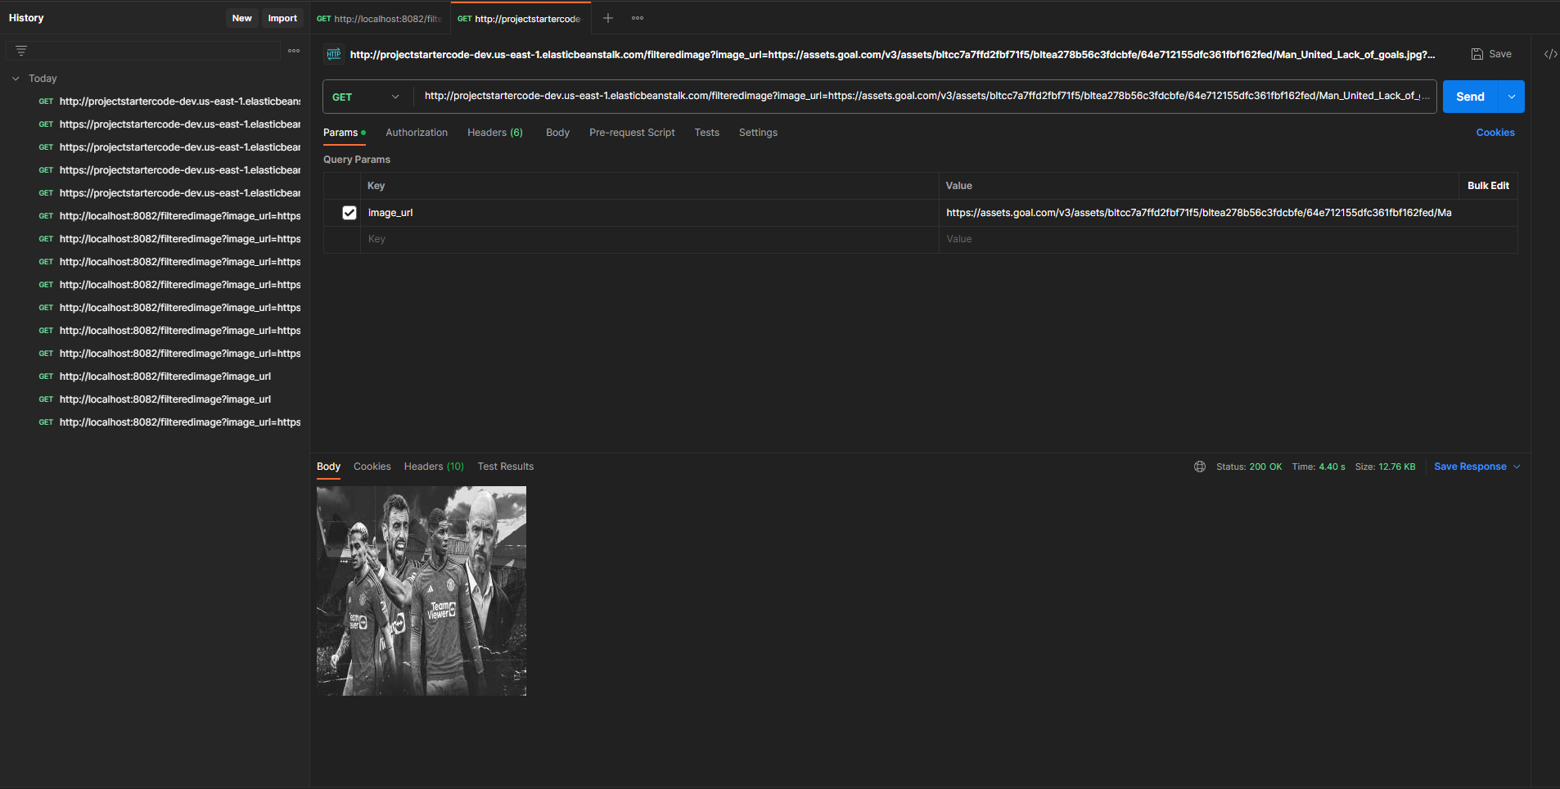
1 Test project on local:

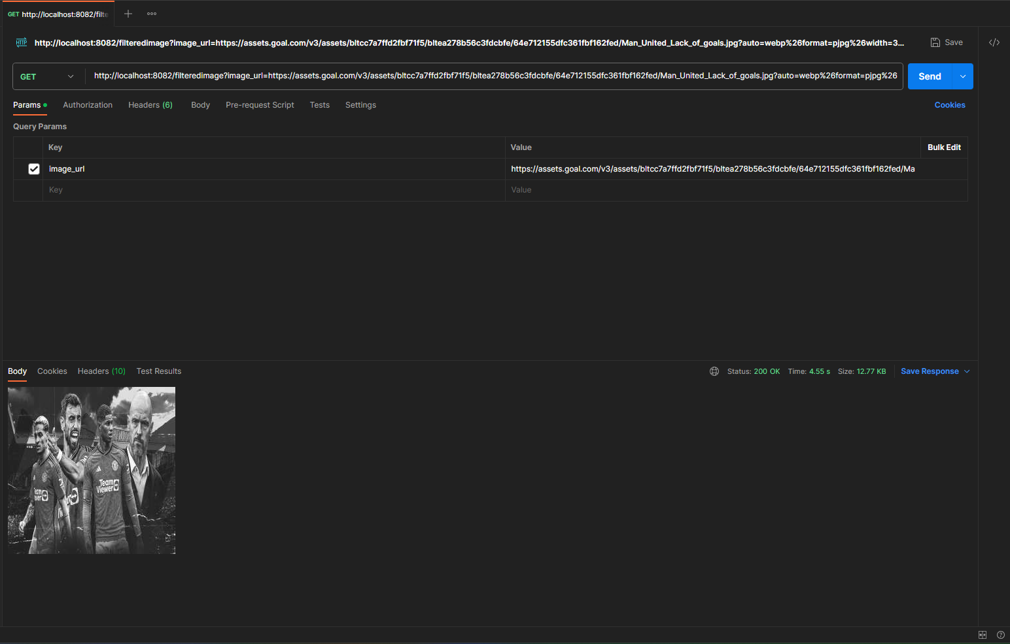

2 Create Elastic Beanstalk environments and deploy project:

 | eb init:

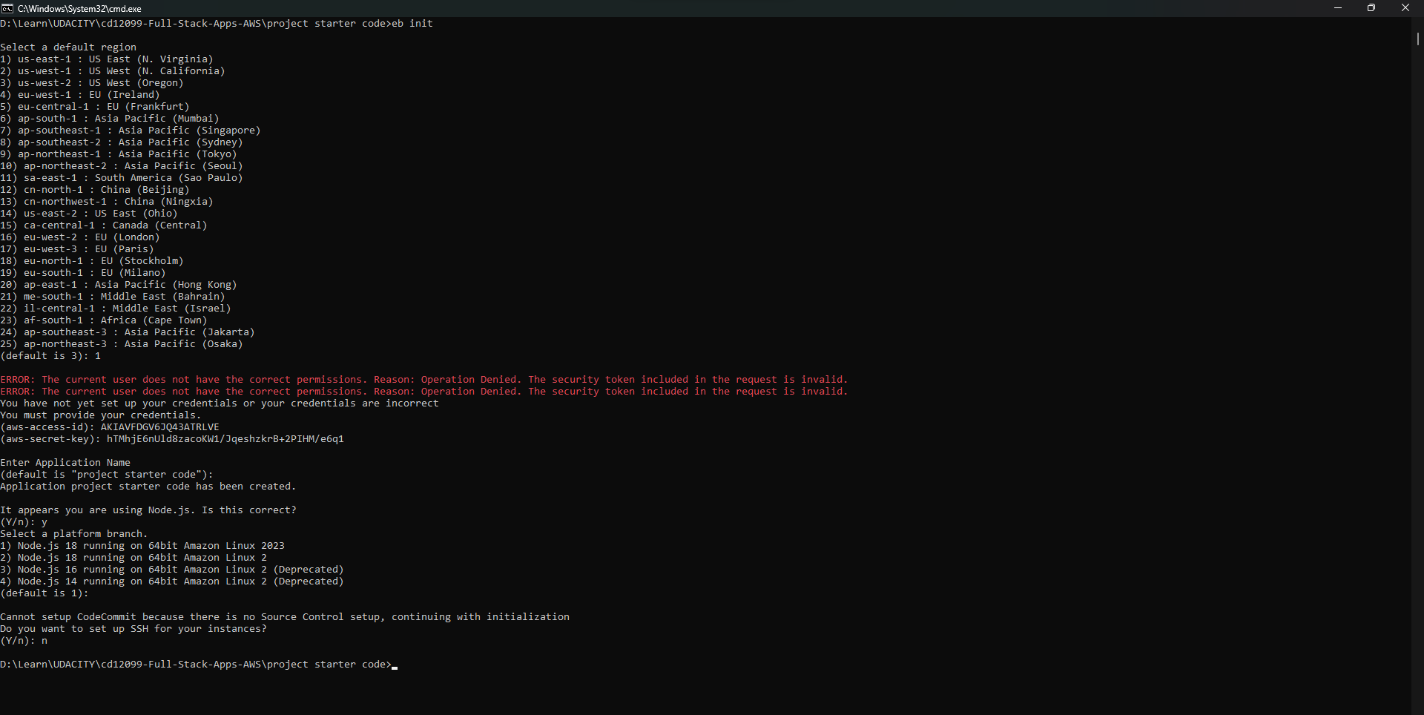

 | eb create:

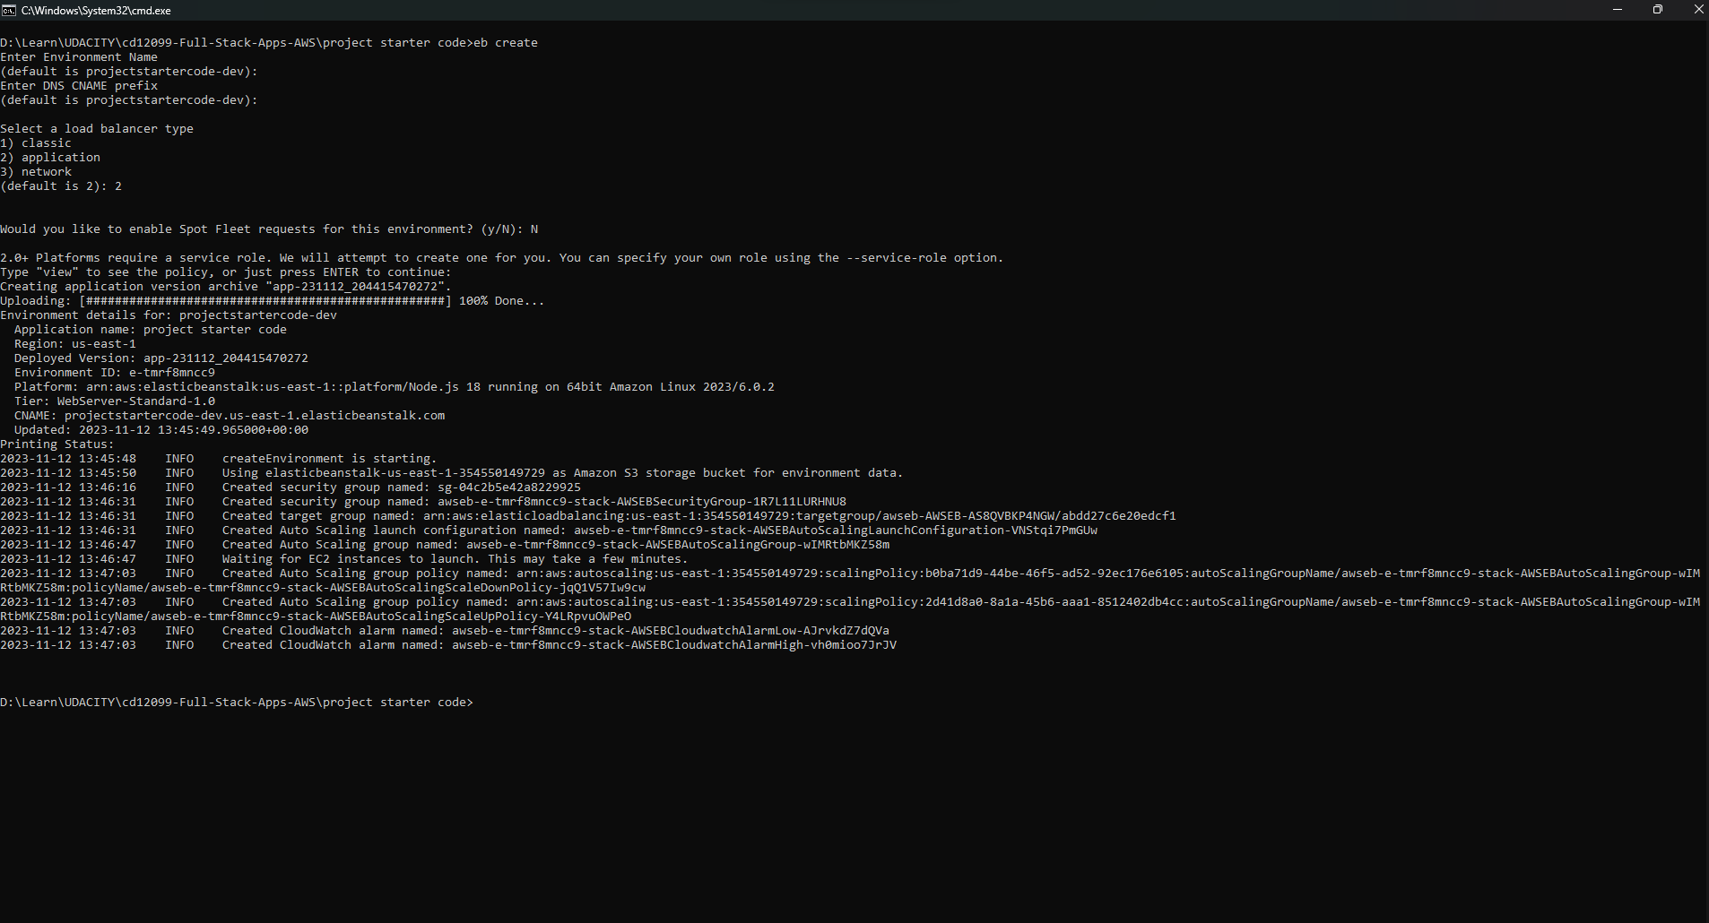

 | deploy ok:

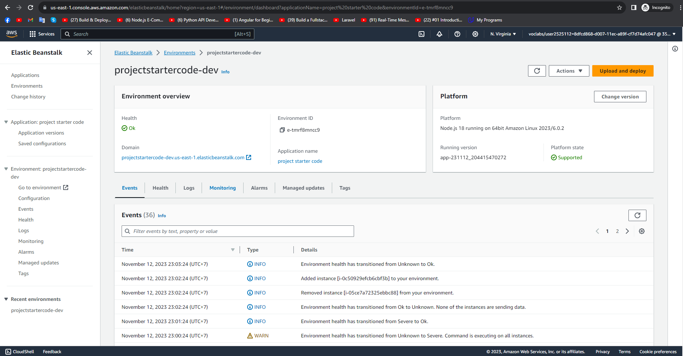

 | test: http://projectstartercode-dev.us-east-1.elasticbeanstalk.com/filteredimage?image_url=https://assets.goal.com/v3/assets/bltcc7a7ffd2fbf71f5/bltea278b56c3fdcbfe/64e712155dfc361fbf162fed/Man_United_Lack_of_goals.jpg?auto=webp%26format=pjpg%26width=3840%26quality=60

